Bid Appraisal Template
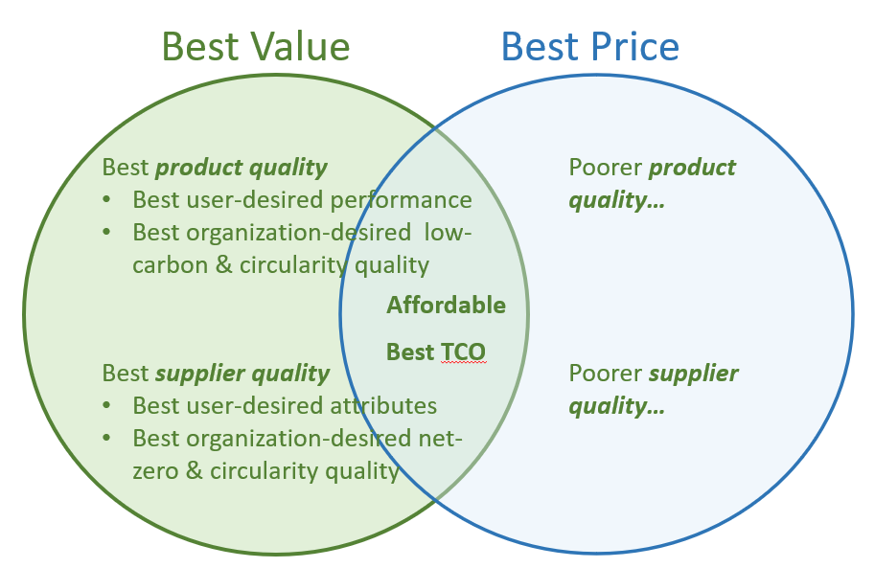
Bid Appraisal Template
This Bid Appraisal Template uses a multi-criteria analysis (MCA) structured decision-making approach to evaluate supplier bids. It helps determine whether whether procuring the most low-carbon and circular-designed product, from the supplier most committed to net-zero targets and to curcularity, is the best business decision. That is, the bid appraisal template helps ensure that the buyer obtains the best value for money. As shown in the adjoining figure, product low-carbon and circularity features that are important to the buyer organization contribute to product quality. And if GHG reductions and circularity are important to the buyer organization, then supplier commitment to reducing its GHGs and to circularity contribute to supplier quality. The sample generic template below is used to show how to assign significant weight (i.e., 10-30%) to product and supplier sustainability attributes. The relative weights of these criteria send a strong signal to suppliers that their commitment to sustainability matters. These weighted criteria should be added to the current bid appraisal template used by the buyer.

Complete this appraisal worksheet for each bid, using it to generate a weighted score for each bid. Starting values in yellow cells are just sample place-holders to illustrate how the formulas work. Overwrite them with values that are appropriate to your situation.

% Weight (% of points) | Sample NZP Bid Appraisal Criteria |  |  |  |  |  | Score (0-100%) | Weighted Score
30% | Product quality - performance, durability |  |  |  |  |  | 90% | 270
10% | Product low-carbon and circularity quality1 |  |  |  |  |  | 60% | 60
10% | Supplier quality - reliability, capacity, experience |  |  |  |  |  | 80% | 80
10% | Supplier net-zero and circularity quality / ambition2 |  |  |  |  |  | 70% | 70
40% | Price / Total Cost of Ownership (TCO)3 |  |  |  |  |  | 80% | 320
100% | This should equal 100% | Best value for money is the bid with the highest total weighted score |  |  |  |  |  | 800

1 See the Sample Product Specs tab
2See the Supplier Assessment tab
3 See the TCO Tool tab

Example This example illustrates how the Bid Appriasal Template helps ensure that customers choose the bid that has the best value for money.
% Weight (% of points) | NZP Bid Appraisal Criteria |  | Supplier A |  | Supplier B |  | Supplier C
 |  |  | % Score | Weighted Score | % Score | Weighted Score | % Score | Weighted Score
30% | Product quality - features, performance |  | 80% | 240 | 90% | 270 | 50% | 150
10% | Product low-carbon and circularity quality1 |  | 50% | 50 | 60% | 60 | 40% | 40
10% | Supplier quality - performance, capacity, attributes |  | 70% | 70 | 80% | 80 | 60% | 60
10% | Supplier net-zero and circularity ambition2 |  | 60% | 60 | 70% | 70 | 50% | 50
40% | Price / Total Cost of Ownership (TCO)* |  | 60% | 240 | 80% | 320 | 100% | 400
 |  |  | $700,000 |  | $600,000 |  | $500,000
100% | This should equal 100% | Best value = Highest total |  | 660 |  | 800 |  | 700
Best Value
Best Price
* Score = 100% – (% by which that supplier’s price exceeds the lowest price)

Legend
Yellow fields are for user input. Starting examples illustrate how the calculation formulas work. Overwrite them with real company data.
Light purple fields are auto-calculated based on the content of yellow fields. Any user entries in these cells will overwrite their formulas.
White fields are used for instructions, explanations, or labels for adjacent fields

